Blad1
 | attacking player | injured player |  | vinkel - standardsavvikelsen
zdenocharaangle1 | 2.069 | 5.998 | NHL
torey krug | 4.458 | 3.709 | NHL
sundqvist | 8.772 | 5.209 | NHL
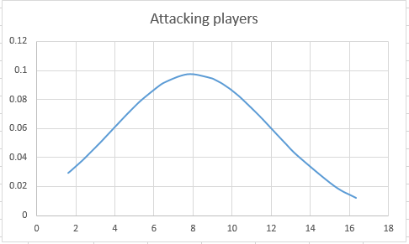
sesito | 4.427 | 4.128 | NHL
larsen | 7.354 | 3.006 | NHL
mccabe | 6.814 | 5.943 | NHL
Keith | 4.098 | 1.579 | NHL
Kahnberg | 3.624 | 2.105 | NHL
Jensen - ambuhl | 12.15 | 10.18 | IIHF
jensen - flanagan | 8.616 | 6.568 | SHL
jeffcarter | 8.101 | 1.187 | NHL
Jacobsson | 3.38 | 15.08 | SHL
hyman | 7.962 | 3.832 | Hockey canada
gabriel | 5.948 | 1.596 | NHL
Eichel | 1.37 | 0.9409 | NHL
coleman | 3.674 | 1.52 | NHL
Boyle | 9.429 | 5.988 | NHL
Borowiecki | 11.53 | 1.726 | NHL
backes | 4.207 | 3.522 | NHL
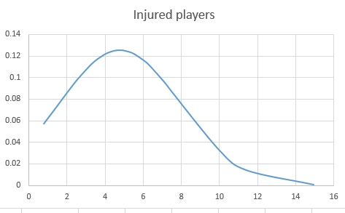
Archibald | 6.59 | 5.281 | NHL
schults | 5.329 | 3.384 | NHL
vetrano | 9.79 | 7.174 | NHL
sergachev | 6.921 | 3.347 | NHL
ristolinen | 7.99 | 4.078 | NHL
reaves | 3.024 | 1.955 | NHL
paquette | 6.707 | 4.525 | NHL
sill | 2.14 | 2.816 | NHL
Thompson | 9.893 | 5.38 | NHL
Landeskog | 2.945 | 3.408 | NHL
torres | 5.151 | 4.058 | NHL | marker not placed correctly on the hitting arm, instead placed on the opposite arm
Number (N) = | 30 | 30
Mean= | 6.1487666667 | 4.30743
Standard deviation = | 2.8810770099 | 2.8989525734
icke testade:
wilson | points aren't moving correctly on the players
fistric | to close-up angle, cannot get a good homography
evgenimalkin | to close-up angle, cannot get a good homography
byron | to close-up angle, cannot get a good homography
aronrome | attacking player is jumping up too much, cannot describe the points correctly on the ice.

Blad2
1.621 | 13.611665514 | 0.036779788048 | 7.89653571 | 4.094129804
1.76 | 13.750665514 | 0.035057120292
2.279 | 14.269665514 | 0.029011199247
2.488 | 14.478665514 | 0.026760153228
3.213 | 15.203665514 | 0.019816974874
3.49 | 15.480665514 | 0.017522671923
3.972 | 15.962665514 | 0.013991899552
4.012 | 16.002665514 | 0.01372449381
4.516 | 16.506665514 | 0.010674612414
4.815 | 16.805665514 | 0.0091304348468
4.823 | 16.813665514 | 0.0090916765175
5.067 | 17.057665514 | 0.0079707477667
5.399 | 17.389665514 | 0.006626239719
6.204 | 18.194665514 | 0.0041197565439
6.58 | 18.570665514 | 0.0032562330796
7.406 | 19.396665514 | 0.0018855408814
8.019 | 20.009665514 | 0.0012243793228
8.956 | 20.946665514 | 0.00060599323136
9.096 | 21.086665514 | 0.00054309587822
9.39 | 21.380665514 | 0.000429815294
9.535 | 21.525665514 | 0.00038225310808
9.923 | 21.913665514 | 0.00027757990126
10.27 | 22.260665514 | 0.00020692129325
10.42 | 22.410665514 | 0.00018183953929
11.36 | 23.350665514 | 7.847822213E-05
12.27 | 24.260665514 | 3.3086250897E-05
12.76 | 24.750665514 | 2.0360234464E-05
13.32 | 25.310665514 | 1.1486217122E-05
15.2 | 27.190665514 | 1.4660395282E-06
16.32 | 28.310665514 | 3.8904791956E-07

